Properties
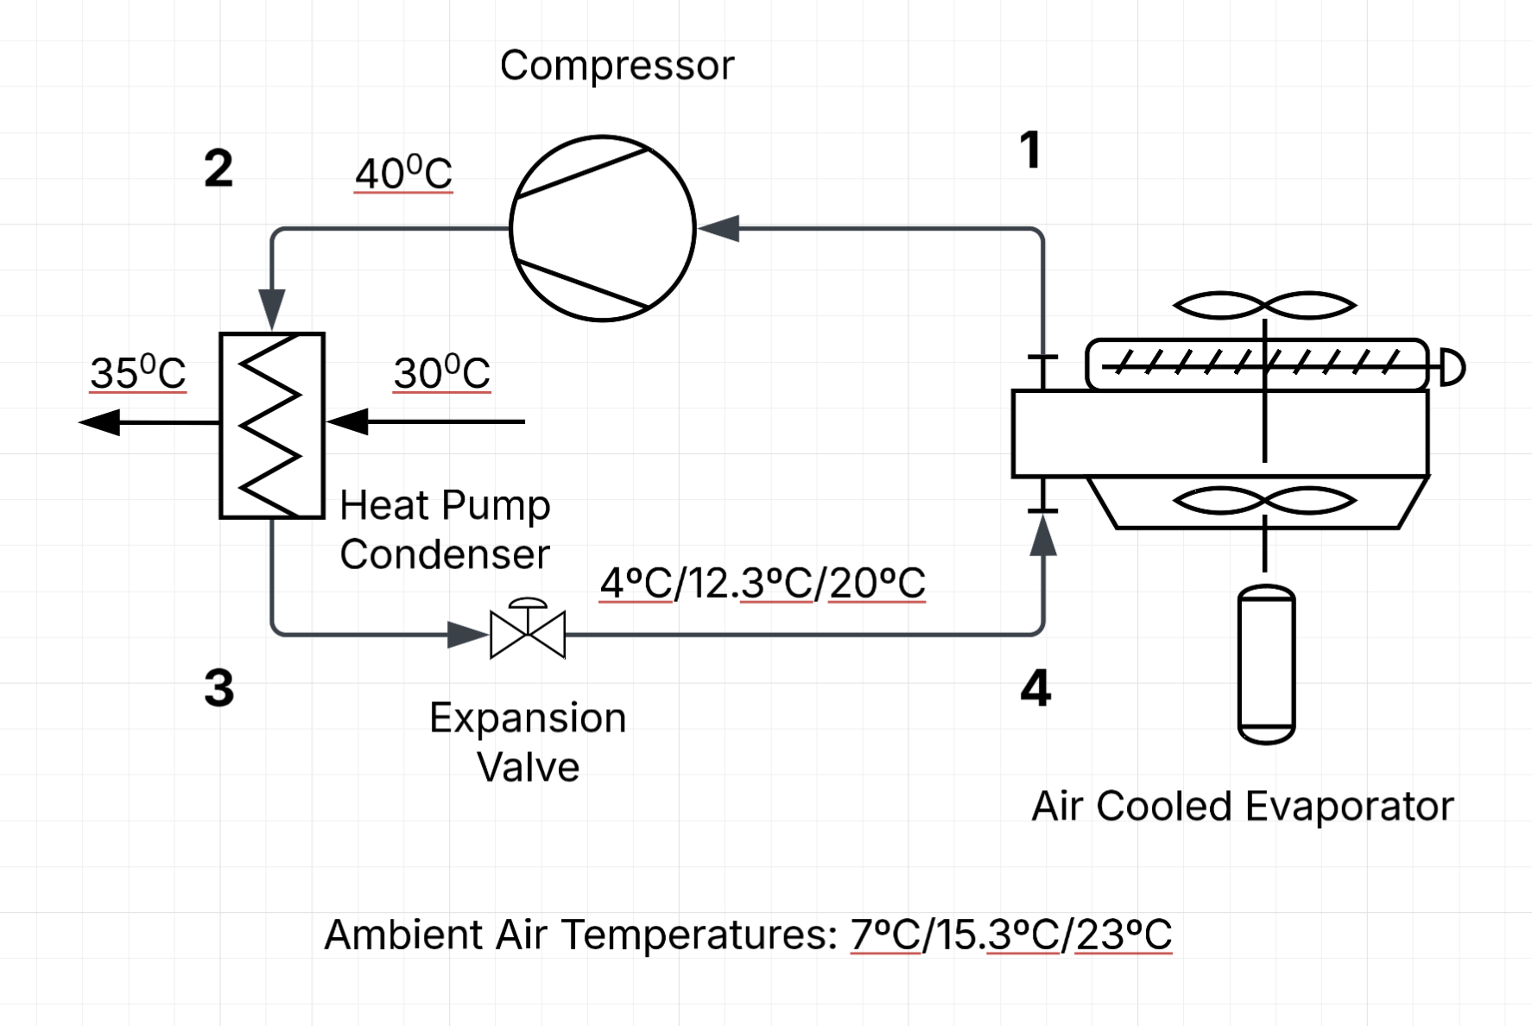
Refrigerant |  | R32
Data source |  | tlk-energy.de pressure-enthalpy
Compressor Efficiency |  | 65% | 65% | 65% | Assuming scroll compressor
Superheating | K | 6
Subcooling | K | 5
T0 | K | 273

 |  | Winter | Spring/Autumn | Summer
 |  | A7W35 | A15.3W35 | A23W35
Condenser temp | ºC | 40 | 40 | 40
Evaporator temp | ºC | 4 | 12.3 | 20

h1 | kJ/kg | 523.4 | 524.9 | 525.6
h2,act | kJ/kg | 598.0 | 579.1 | 562.7 | Accounts for compressor efficiency
h2 | kJ/kg
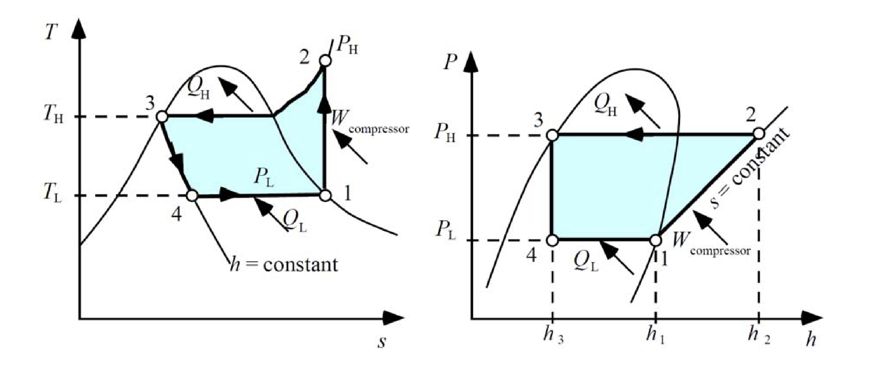
h3 | kJ/kg | 265.1 | 265.1 | 265.1
h4 | kJ/kg | 265.1 | 265.1 | 265.1
s1 | J/kg.K | 2166.6 | 2138.2 | 2112.3
s2,act | J/kg.K | 2259.7 | 2208.2 | 2161.6
s2 | J/kg.K
s3 | J/kg.K | 1218.1 | 1218.1 | 1218.1
s4 | J/kg.K | 1234.6 | 1228.4 | 1224.1

 |  | Winter | Spring/autumn | Summer |  | Source: Wall G, 2009
 | Expansion Valve | 3.7% | 4.1% | 4.8%
 | Compressor | 93.2% | 79.1% | 64.5%
 | Evaporator | 3.1% | 16.8% | 30.7%

 | Expansion Valve | 14.31 | 5.16 | 0.96
 | Compressor | 363.67 | 98.66 | 12.92
 | Evaporator | 12.27 | 20.98 | 6.15
 | Total (kWh) | 390.25 | 124.79 | 20.03
 | Checksum | 390.25 | 124.79 | 20.03

